UCP Stat Sheet
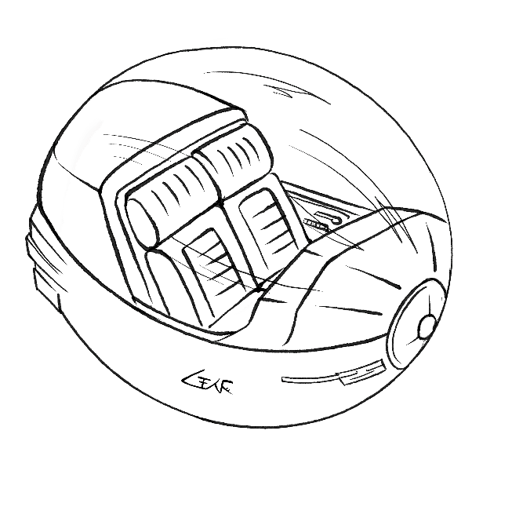
Tchipl-class Compact Grav Robo-Taxi |  | TĈIṖ
Craft ID: | Tchipl-class Zhodani Compact Grav Taxi, Cr3,000,000
Hull: | 1/2, Disp = 1, Config = 5SL, Armor = 0
 | Unloaded = 5 tons, Loaded = 7 tons
Power: | 1/2, Fusion-12 = 10MW, Duration = 55/18
Locomotion: | 1/2, Grav
 | NOE = 160kph, Cruise = 750kph, Top = 1000kph
Comms: | Radio = Regional (500km)
Sensors: | Radar = Dist (5km), Ladar = Dist (5km)
 | Headlights, Passive IR w/Image Enhancement
 | Synthetic Vision
Controls: | Model/0 bis with robotic control systems
 | Backup controls = Computer Linked, HUD
Accomm: | Basic Life Support, Inertial Compensation
 | 2x Passenger Seats
Other: | Cargo = 2kl, Fuel = 4kl

